Convert DD Usage to Coralogix
DD Usage |  |  |  |  |  |   |  | 

Infra Hosts | Custom Metrics | Indexed Logs - Live & Rehydrated (Million) | Indexed Logs - 3 Day Retention (Million) | Rum Sessions | Serverless Invocation
4094 | 74,500 |  | 3,400 |  | 21,348,684
Ingested Spans (GB) | Indexed Spans (Million) | Ingested Logs (Live & Rehydrated) (GB) | Indexed Logs - 7 Day Retention (Million) | Analyzed Logs - (Security) - 15m retention (GB) | Fargate Tasks
31,800 | 213 | 404,000 | 10,201 | 0
APM Hosts | Profiled Hosts | Containers | Profiled Containers | Custom Events | Serverless Workload Functions
567 | 14 | 15431 |  | 112 | 396
Error Tracking Events | APM Fargate Tasks | Profiled Fargate Tasks |  | security analysed logs in Billion
189000 | 0 | 0 |  | 37000
 |  |  |  |  |  | Convert Hourly
Coralogix Sizing |  |  |  |  |  |  | Hourly | Hosts
 |  |  |  |  |  | Infra Hosts |  | 0 | Enter Hourly Infra Hosts
Logs |  |  |  | Logs |  | Containers | 10,100,000 | 15431 | Enter Hourly Containers
Total Ingested Logs | 404,000 | GB/month |  | 8.03% | Current indexed percentage | Profiled Containers |  | 0 | Enter Hourly Profiled Containers
Avg log size | 2.50 | KB |  | 13467 | Total GB Logs / Day | APM Hosts |  | 0 | Enter Hourly APM Hosts
Total Indexed Logs | 13,600,734,000 | Logs/month |  | 6733 | GB / Day (FS) / 50% | Profiled Hosts |  | 0 | Enter Hourly Profiled Hosts
Total Indexed Logs Size (Bytes) | 34,817,879,040,000 | Bytes/month |  | 5387 | GB / Day (Mon) / 40% | Network hosts |  | 0 | Enter Hourly Network hosts
Total Indexed Logs Size (GB) | 32426.68 | GB/month |  | 1347 | GB/ Day (Comp) / 10% | Custom Metric Hours |  | 0 | Enter Hourly Custom Metrics
Total Indexed (GB) | 1080.89 | GB / Day
 |  |  |  | Metrics |  |  | Monthly | Daily
Metrics |  |  |  | 21,558,391 | TS (NumSeries) | Serverless Workload Functions | 0 | 0 | Enter Monthly Serverless Workload Functions
Hosts | 4675 |  |  | 21558 | GB / Day | RUM Sessions |  | 0 | Enter Monthly RUM Sessions
Containers | 15,431 |  |  | 0.000033 | TS to Units | Serverless Invocations | 649,000,000 | 21,348,684 | Enter Monthly Serverless Invocations
Serverless Workload Functions | 119 | TS (NumSeries) |  |  |  | Custom Events |  | 0
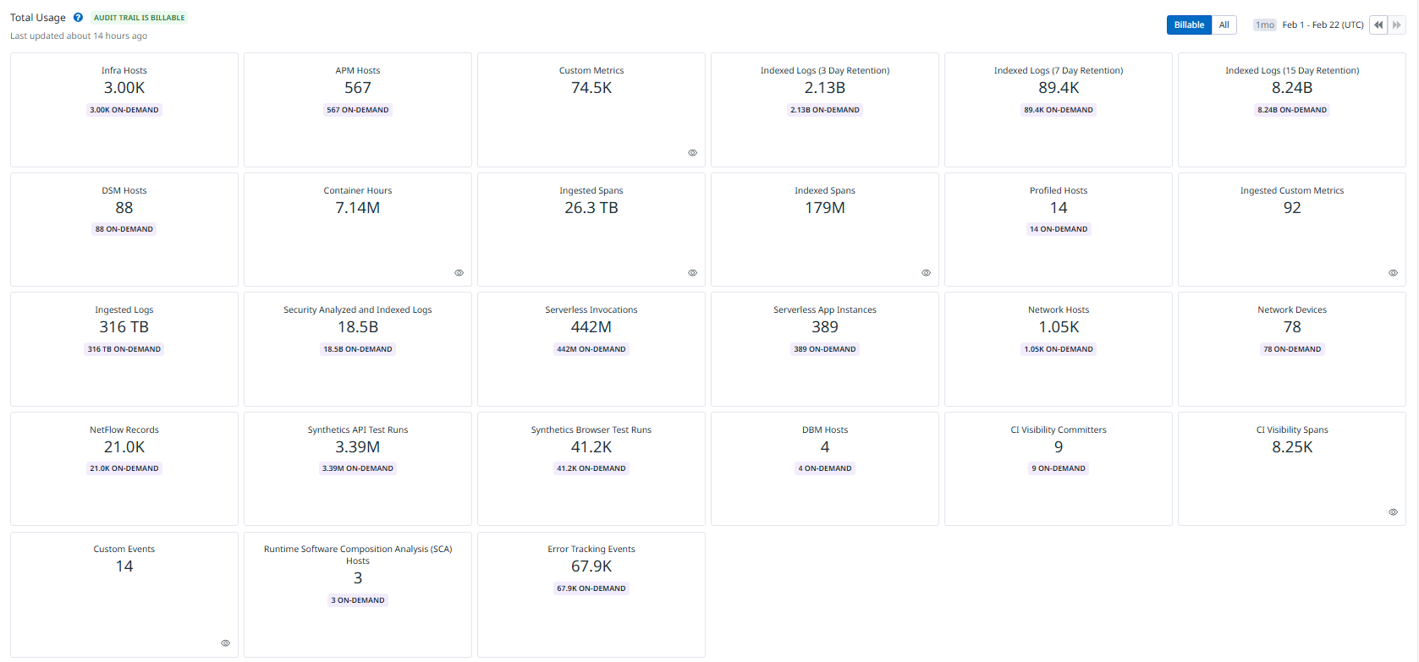
Serverless Invocation | 6,404,605 | TS (NumSeries) | 3 metric labels × 10% unique dimensions × daily invocations | 711 | Metrics Units / Day
AVG 750 time series per node | 15,079,167 | TS (NumSeries)
Custom Metrics | 74,500 | TS (NumSeries) |  | Tracing
Promethues Metrics |  | NumSeries |  | 0.96% | Current indexed percentage
 |  |  |  | 1,060 | Total GB / Day (Ingest)
Tracing |  |  |  | 10 | Indexed Tracing GB/Day
Avg span size | 2 | KB |  | 1050 | GB Traces Archive
Ingested spans | 31,800 | GB/Month |  | 10 | GB Traces Indexed
Indexed spans | 305 | GB/Month
Daily Ingested spans (Bytes) | 1,060 | GB/Month |  | Totals
 |  |  |  | Logs (GB) | 13,467
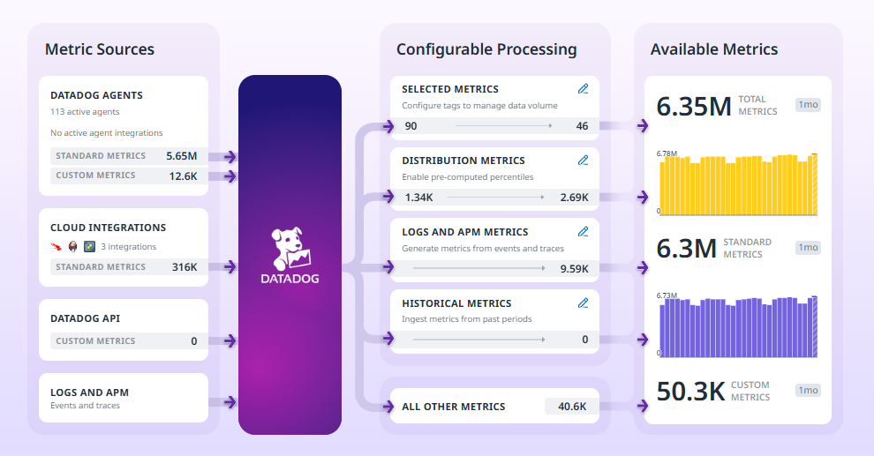
 |  |  |  | Metrics (NS) | 21,558,391
 |  |  |  | Tracing (GB) | 1,060
 |  |  |  | RUM Sessions
 |  |  |  | RUM Errors | 6,300

 |  |  |  | Apply this information to the TCO Calculator

 |  |  |  | Metrics (NS) | 6780000

